Driver Uniform Apparel
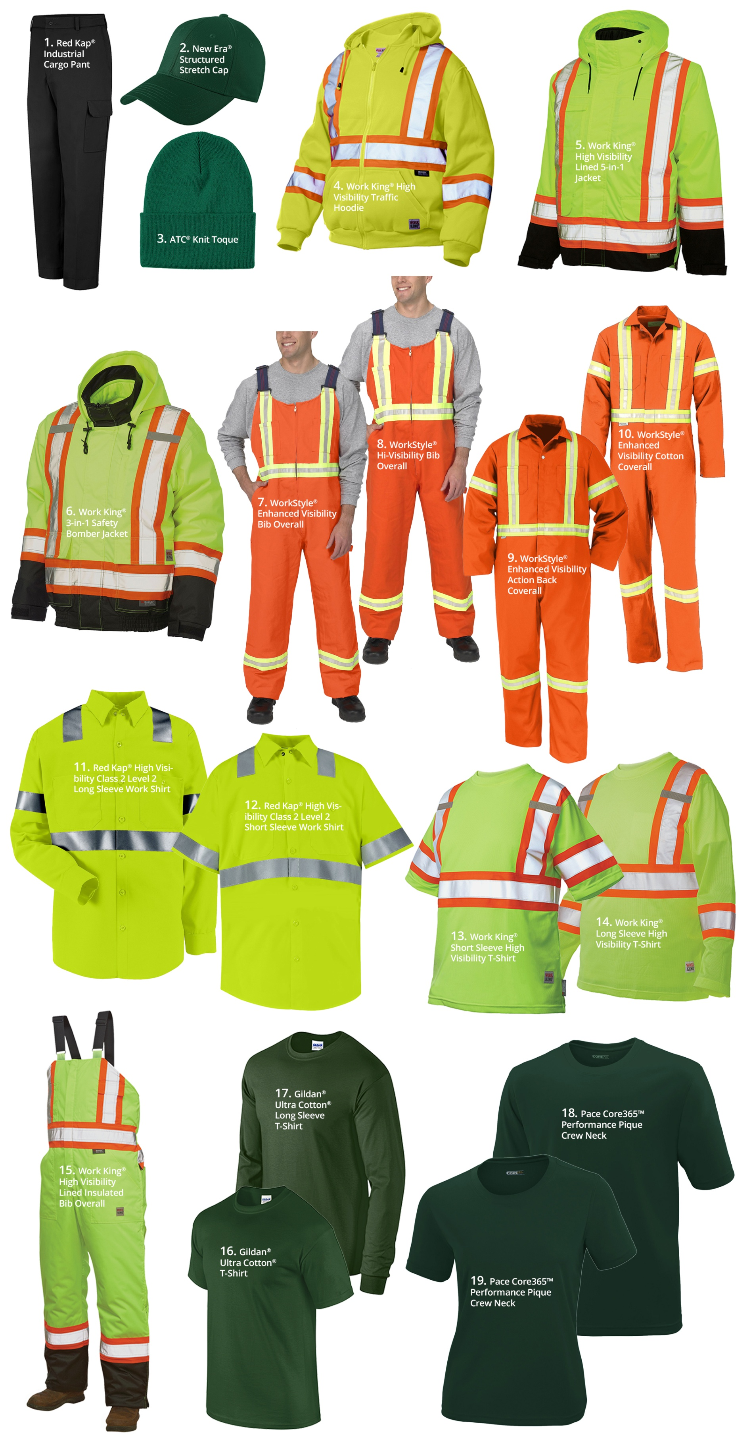

Route Manager Uniform Apparel
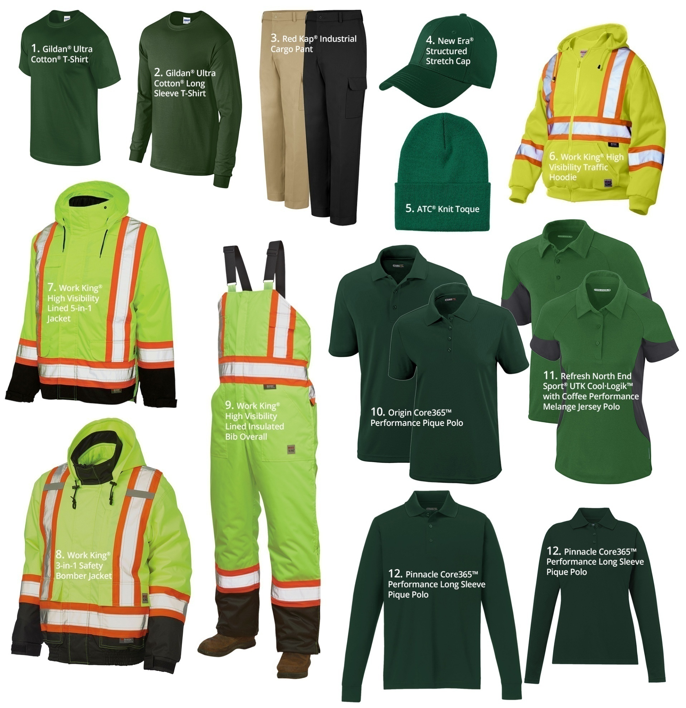

Mechanic Welder Uniform Apparel
